Kinematics Overview
FORWARD KINEMATICS |  |  |  |  |  |  |  |  |  |  |  |  |  |  |  |  | INVERSE KINEMATICS

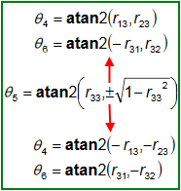

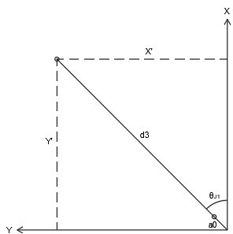
WIRST
POSITION
INPUTS |  |  |  |  |  |  |  | DH PARAMETER |  |  |  |  |  | OUTPUTS |  |  | INPUTS |  |  |  | OUTPUTS
JOINTS | Angles |  |  | Toolframe |  |  |  | JOINTS | Θ | α | d | a |  | PARAMETERS | Value | Radians | PARAMETERS | Value | Radians |  | JOINTS | Angles
 | Limit | Degrees | Radians | Param | Value | Radians |  |  |  |  |  |  |  |  |  |  |  |  |  |  |  | Degrees | Radians
J1 | (-170 / 170) | 0.000 | 0.000 | Xpos | 0.000 | - |  | 1 | 0.000 | -1.571 | 191.000 | 23.500 |  | Xpos | 663.500 | - | Xpos | 663.500 | - |  | J1 | 0.000 | 0.000
J2 | (-60 / 90) | 0.000 | 0.000 | Ypos | 0.000 |  |  | 2 | -1.571 | 0.000 | 0.000 | 650.000 |  | Ypos | 0.000 |  | Ypos | 0.000 |  |  | J2 | 0.000 | 0.000
J3 | (-90 / 60) | 0.000 | 0.000 | Zpos | 0.000 |  |  | 3 | 3.142 | 1.571 | 0.000 | 0.000 |  | Zpos | 841.000 |  | Zpos | 841.000 |  |  | J3 | 0.000 | 0.000
J4 | (-145 / 145) | 0.000 | 0.000 | Rz | 0.000 | 0.000 |  | 4 | 0.000 | -1.571 | 575.000 | 0.000 |  | Rz | 45.000 | 0.785 | Rz | 45.000 | 0.785 |  | J4 | 106.587 | 1.860
J5 | (-90 / 105) | 0.000 | 0.000 | Ry | 0.000 | 0.000 |  | 5 | 0.000 | 1.571 | 0.000 | 0.000 |  | Ry | 90.000 | 1.571 | Ry | 90.000 | 1.571 |  | J5 | 0.000 | 0.000
J6 | (-155 / 155) | 0.000 | 0.000 | Rx | 0.000 | 0.000 |  | 6 | 0.000 | 0.000 | 65.000 | 0.000 |  | Rx | 45.000 | 0.785 | Rx | 45.000 | 0.785 |  | J6 | -106.587 | -1.860

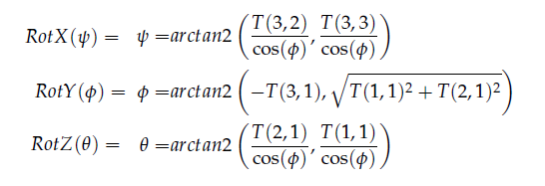
 |  |  |  |  |  |  |  |  |  |  |  |  |  | 6.1257422745E-17
 | SETUP |  |  |  |  | 1st |  |  |  |  | 2nd |  |  |  |  |  |  | 1st |  |  |  |  | 2nd |  |  |  | 3rd
BASE TRANSFORMATION MATRIX |  |  |  |  | J1 TRANSFORMATION MATRIX |  |  |  |  | J2 TRANSFORMATION MATRIX |  |  |  |  |  |  | R0-6 TRANSFORMATION MATRIX REVERSE |  |  |  |  | TOOLFRAME TRANSFORMATION MATRIX |  |  |  | INVERT TOOLFRAME TRANSFORMATION MATRIX
1.000 | 0.000 | 0.000 | 0.000 |  | 1.000 | 0.000 | 0.000 | 23.500 |  | 0.000 | 1.000 | 0.000 | 0.000 |  |  |  | 0.000 | 0.000 | 1.000 | 663.500 |  | 1.000 | 0.000 | 0.000 | 0.000 | 1.000 | 0.000 | 0.000 | 0.000
0.000 | 1.000 | 0.000 | 0.000 |  | 0.000 | 0.000 | 1.000 | 0.000 |  | -1.000 | 0.000 | 0.000 | -650.000 |  |  |  | 0.000 | 1.000 | 0.000 | 0.000 |  | 0.000 | 1.000 | 0.000 | 0.000 | 0.000 | 1.000 | 0.000 | 0.000
0.000 | 0.000 | 1.000 | 0.000 |  | 0.000 | -1.000 | 0.000 | 191.000 |  | 0.000 | 0.000 | 1.000 | 0.000 |  |  |  | -1.000 | 0.000 | 0.000 | 841.000 |  | 0.000 | 0.000 | 1.000 | 0.000 | 0.000 | 0.000 | 1.000 | 0.000
0.000 | 0.000 | 0.000 | 1.000 |  | 0.000 | 0.000 | 0.000 | 1.000 |  | 0.000 | 0.000 | 0.000 | 1.000 |  |  |  | 0.000 | 0.000 | 0.000 | 1.000 |  | 0.000 | 0.000 | 0.000 | 1.000 | 0.000 | 0.000 | 0.000 | 1.000

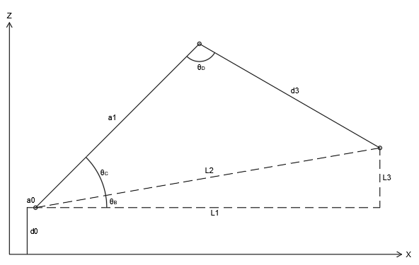

 | 3rd |  |  |  |  | 4th |  |  |  |  | 5th |  |  |  |  |  |  | 4th |  |  |  |  | 5th |  |  |  | 6th
J3 TRANSFORMATION MATRIX |  |  |  |  | J4 TRANSFORMATION MATRIX |  |  |  |  | J5 TRANSFORMATION MATRIX |  |  |  |  |  |  | R0-T TRANSFORMATION MATRIX REVERSE |  |  |  |  | R0-6 TRANSFORMATION MATRIX NEGATE |  |  |  | R0-5 TRANSFORMATION MATRIX REVERSE
-1.000 | 0.000 | 0.000 | 0.000 |  | 1.000 | 0.000 | 0.000 | 0.000 |  | 1.000 | 0.000 | 0.000 | 0.000 |  |  |  | 0.000 | 0.000 | 1.000 | 663.500 |  | 1.000 | 0.000 | 0.000 | 0.000 | 0.000 | 0.000 | 1.000 | 598.500
0.000 | 0.000 | 1.000 | 0.000 |  | 0.000 | 0.000 | 1.000 | 0.000 |  | 0.000 | 0.000 | -1.000 | 0.000 |  |  |  | 0.000 | 1.000 | 0.000 | 0.000 |  | 0.000 | 1.000 | 0.000 | 0.000 | 0.000 | 1.000 | 0.000 | 0.000
0.000 | 1.000 | 0.000 | 0.000 |  | 0.000 | -1.000 | 0.000 | 575.000 |  | 0.000 | 1.000 | 0.000 | 0.000 |  |  |  | -1.000 | 0.000 | 0.000 | 841.000 |  | 0.000 | 0.000 | 1.000 | -65.000 | -1.000 | 0.000 | 0.000 | 841.000
0.000 | 0.000 | 0.000 | 1.000 |  | 0.000 | 0.000 | 0.000 | 1.000 |  | 0.000 | 0.000 | 0.000 | 1.000 |  |  |  | 0.000 | 0.000 | 0.000 | 1.000 |  | 0.000 | 0.000 | 0.000 | 1.000 | 0.000 | 0.000 | 0.000 | 1.000

 | 6th |  |  |  |  | 7th |  |  |  |  | 8th |  |  |  |  |  |  | 7th |  |  |  |  | 8th |  |  |  | 9th
J6 TRANSFORMATION MATRIX |  |  |  |  | TOOLFRAME TRANSFORMATION MATRIX |  |  |  |  | T0-1 TRANSFORMATION MATRIX |  |  |  |  |  |  |  | CALCULATE J1 ANGLE |  |  |  |  | IK ANALYSIS |  |  | J1 TRANSFORMATION MATRIX
1.000 | 0.000 | 0.000 | 0.000 |  | 1.000 | 0.000 | 0.000 | 0.000 |  | 1.000 | 0.000 | 0.000 | 23.500 |  |  |  |  | J1 ∠ | 0.000 |  |  |  | L1 | 575 |  | 1.000 | 0.000 | 0.000 | 23.500
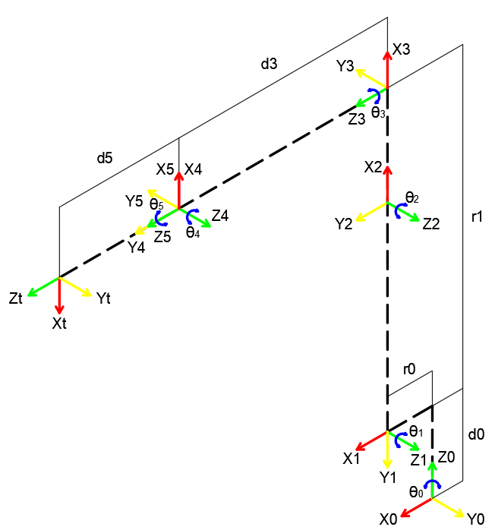
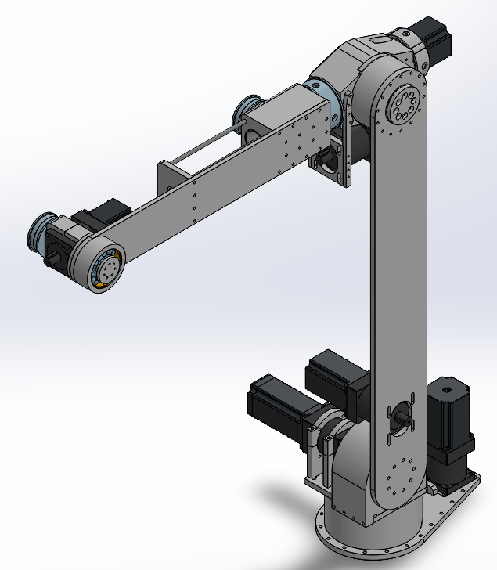
0.000 | 1.000 | 0.000 | 0.000 |  | 0.000 | 1.000 | 0.000 | 0.000 |  | 0.000 | 0.000 | 1.000 | 0.000 |  |  |  |  |  |  |  |  |  | L2 | 867.828 |  | 0.000 | 0.000 | 1.000 | 0.000
0.000 | 0.000 | 1.000 | 65.000 |  | 0.000 | 0.000 | 1.000 | 0.000 |  | 0.000 | -1.000 | 0.000 | 191.000 |  |  |  |  |  |  |  |  |  | L3 | 650.000 |  | 0.000 | -1.000 | 0.000 | 191.000
0.000 | 0.000 | 0.000 | 1.000 |  | 0.000 | 0.000 | 0.000 | 1.000 |  | 0.000 | 0.000 | 0.000 | 1.000 |  |  |  |  | 8th |  |  |  |  | d3 | 575.000 |  | 0.000 | 0.000 | 0.000 | 1.000
 |  |  |  |  |  |  |  |  |  |  |  |  |  |  |  |  |  | R0-5 @J1 ZERO |  |  |  |  | ΘB | 48.504
 |  |  |  |  |  |  |  |  |  |  |  |  |  |  |  |  |  | X | Y |  |  |  | ΘC | 41.496
 | 9th |  |  |  |  | 10th |  |  |  |  | 11th |  |  |  |  |  |  | 598.500 | 0.000 |  |  |  | ΘD | 90
T0-2 TRANSFORMATION MATRIX |  |  |  |  | T0-3 TRANSFORMATION MATRIX |  |  |  |  | T0-4 TRANSFORMATION MATRIX
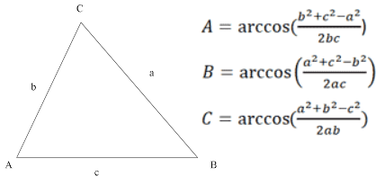
0.000 | 1.000 | 0.000 | 23.500 |  | 0.000 | 0.000 | 1.000 | 23.500 |  | 0.000 | -1.000 | 0.000 | 598.500
0.000 | 0.000 | 1.000 | 0.000 |  | 0.000 | 1.000 | 0.000 | 0.000 |  | 0.000 | 0.000 | 1.000 | 0.000 |  |  |  |  | 10th |  |  |  |  | 11th |  |  |  | 12th
1.000 | 0.000 | 0.000 | 841.000 |  | -1.000 | 0.000 | 0.000 | 841.000 |  | -1.000 | 0.000 | 0.000 | 841.000 |  |  |  | J2 TRANSFORMATION MATRIX |  |  |  |  | J3 TRANSFORMATION MATRIX |  |  |  | R0-2 MATRIX
0.000 | 0.000 | 0.000 | 1.000 |  | 0.000 | 0.000 | 0.000 | 1.000 |  | 0.000 | 0.000 | 0.000 | 1.000 |  |  |  | 0.000 | 1.000 | 0.000 | 0.000 |  | -1.000 | 0.000 | 0.000 | 0.000 | 0.000 | 1.000 | 0.000 | 23.500
 |  |  |  |  |  |  |  |  |  |  |  |  |  |  |  |  | -1.000 | 0.000 | 0.000 | -650.000 |  | 0.000 | 0.000 | 1.000 | 0.000 | 0.000 | 0.000 | 1.000 | 0.000
 |  |  |  |  |  |  |  |  |  |  |  |  |  |  |  |  | 0.000 | 0.000 | 1.000 | 0.000 |  | 0.000 | 1.000 | 0.000 | 0.000 | 1.000 | 0.000 | 0.000 | 841.000
 | 12th |  |  |  |  | 13th |  |  |  |  | 14th |  |  |  |  |  | 0.000 | 0.000 | 0.000 | 1.000 |  | 0.000 | 0.000 | 0.000 | 1.000 | 0.000 | 0.000 | 0.000 | 1.000
T0-5 TRANSFORMATION MATRIX |  |  |  |  | T0-6 TRANSFORMATION MATRIX |  |  |  |  | T0-E TRANSFORMATION MATRIX
0.000 | 0.000 | 1.000 | 598.500 |  | 0.000 | 0.000 | 1.000 | 663.500 |  | 0.000 | 0.000 | 1.000 | 663.500
0.000 | 1.000 | 0.000 | 0.000 |  | 0.000 | 1.000 | 0.000 | 0.000 |  | 0.000 | 1.000 | 0.000 | 0.000 |  |  |  |  | 13th |  |  |  | 14th |  |  |  | 15th
-1.000 | 0.000 | 0.000 | 841.000 |  | -1.000 | 0.000 | 0.000 | 841.000 |  | -1.000 | 0.000 | 0.000 | 841.000 |  |  |  | R0-3 MATRIX |  |  |  |  | R0-3 MATRIX TRANSPOSED |  |  |  | R3-6 WIRST ORIENTATION
0.000 | 0.000 | 0.000 | 1.000 |  | 0.000 | 0.000 | 0.000 | 1.000 |  | 0.000 | 0.000 | 0.000 | 1.000 |  |  |  | 0.000 | 0.000 | 1.000 | 23.500 |  | 0.000 | 0.000 | -1.000 | - | 1.000 | 0.000 | 0.000 | -
 |  |  |  |  |  |  |  |  |  |  |  |  |  |  |  |  | 0.000 | 1.000 | 0.000 | 0.000 |  | 0.000 | 1.000 | 0.000 | - | 0.000 | 1.000 | 0.000 | -
 |  |  |  |  |  |  |  |  |  |  |  |  |  |  |  |  | -1.000 | 0.000 | 0.000 | 841.000 |  | 1.000 | 0.000 | 0.000 | - | 0.000 | 0.000 | 1.000 | -
 |  |  |  |  |  |  |  |  |  |  |  |  |  |  |  |  | 0.000 | 0.000 | 0.000 | 1.000 |  | - | - | - | - | - | - | - | -

SINGULARITY AVOIDANCE |  |  |  |  |  |  |  |  |  |  |  |  |  |  |  |  | JOINT INFORMATION

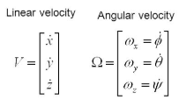
JOINTS Z-AXES |  |  |  |  | JACOBIANS VALUE |  |  |  |  | JACOBIAN MATRIX |  |  |  |  |  |  | JOINT ANGLE LIMIT |  |  |  | LIMIT STATUS
T0-1 | 0.000 | T0-4 | 0.000 |  | Joints | PE-Pi | Linear Vel. | Angular Vel. |  | 650.000 | 0.000 | 0.000 | 0.000 | 0.000 | 0.000 |  | JOINTS | Minimum Angle Limit | Maximum Angle Limit |  | JOINTS | Status
 | 1.000 |  | 1.000 |  | J1 | 640.000 | 650.000 | 0.000 |  | 0.000 | 0.000 | 0.000 | 0.000 | 0.000 | 0.000
 | 0.000 |  | 0.000 |  |  | 0.000 | 0.000 | 1.000 |  | -640.000 | -640.000 | 0.000 | -65.000 | 0.000 | 0.000 |  | J1 | -170 | 170 |  | J1 | N
T0-2 | 0.000 | T0-5 | 1.000 |  |  | 650.000 | -640.000 | 0.000 |  | 0.000 | 0.000 | 1.000 | 0.000 | 1.000 | 1.000 |  | J2 | -60 | 90 |  | J2 | N
 | 1.000 |  | 0.000 |  | J2 | 640.000 | 0.000 | 0.000 |  | 1.000 | 1.000 | 0.000 | 1.000 | 0.000 | 0.000 |  | J3 | -90 | 60 |  | J3 | N
 | 0.000 |  | 0.000 |  |  | 0.000 | 0.000 | 1.000 |  | 0.000 | 0.000 | 0.000 | 0.000 | 0.000 | 0.000 |  | J4 | -145 | 145 |  | J4 | N
T0-3 | 1.000 | T0-6 | 1.000 |  |  | 0.000 | -640.000 | 0.000 |  |  |  |  |  |  |  |  | J5 | -90 | 105 |  | J5 | N
 | 0.000 |  | 0.000 |  | J3 | 640.000 | 0.000 | 1.000 |  |  |  |  |  |  |  |  | J6 | -155 | 155 |  | J6 | N
 | 0.000 |  | 0.000 |  |  | 0.000 | 0.000 | 0.000 |  |  |  | JACOBIAN STATE
 |  |  |  |  |  | 0.000 | 0.000 | 0.000 |  |  |  | S | 0
 |  |  |  |  | J4 | 65.000 | 0.000 | 0.000 |  |  |  |  |  |  |  |  | JOINT ANGLE DIRECTION
JOINTS ORIGIN POSITION |  |  |  |  |  | 0.000 | 0.000 | 1.000 |  |  |  |  |  |  |  |  | JOINTS | CW | CCW

T0-1 | 23.500 | T0-4 | 598.500 |  |  | 0.000 | -65.000 | 0.000
 | 0.000 |  | 0.000 |  | J5 | 65.000 | 0.000 | 1.000 |  |  |  |  |  |  |  |  | J1 | Negative | Positive
 | 191.000 |  | 841.000 |  |  | 0.000 | 0.000 | 0.000 |  |  |  |  |  |  |  |  | J2 | Negative | Positive
T0-2 | 23.500 | T0-5 | 598.500 |  |  | 0.000 | 0.000 | 0.000 |  |  |  |  |  |  |  |  | J3 | Negative | Positive
 | 0.000 |  | 0.000 |  | J6 | 0.000 | 0.000 | 1.000 |  |  |  |  |  |  |  |  | J4 | Negative | Positive
 | 841.000 |  | 841.000 |  |  | 0.000 | 0.000 | 0.000 |  |  |  |  |  |  |  |  | J5 | Negative | Positive
T0-3 | 23.500 | T0-6 | 663.500 |  |  | 0.000 | 0.000 | 0.000 |  |  |  |  |  |  |  |  | J6 | Negative | Positive
 | 0.000 |  | 0.000
 | 841.000 |  | 841.000

